charts
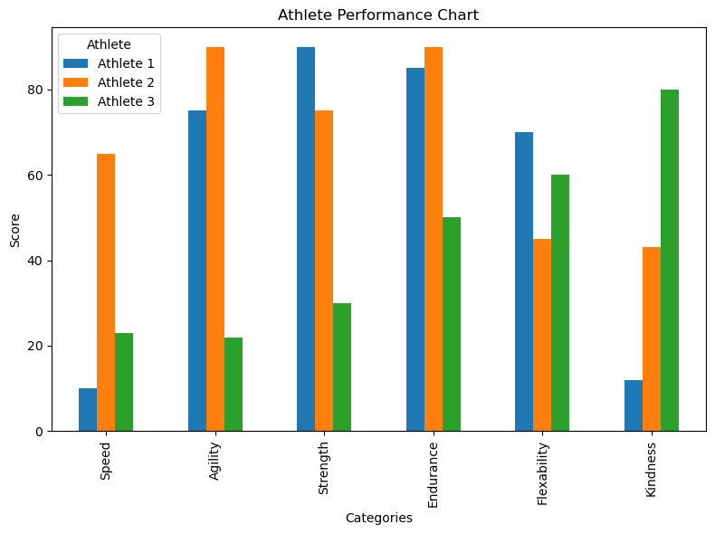
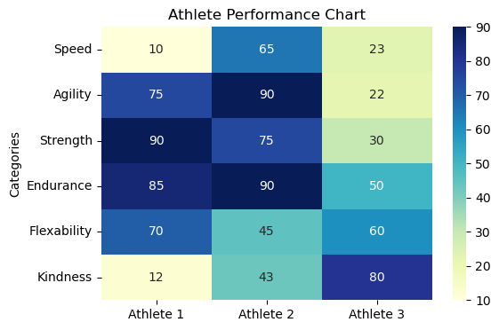
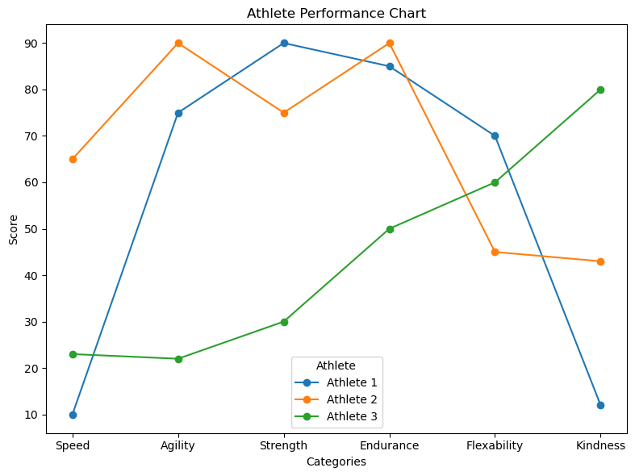
Charts
Hereare some different examples of displaying simple charts in Python in Excel
Radar plot inspired by:
Mastering Data Visualization: Essential Plots in Python using Matplotlib | by Binayak Bhandari, PhD | Medium

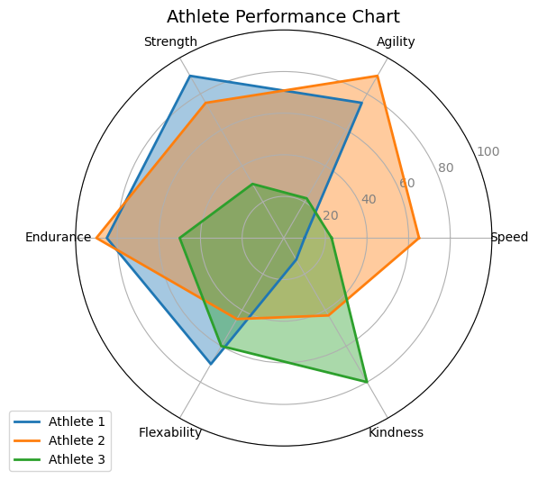
Python code >>
radar
bar
heatmap
line

Title | Athlete Performance Chart

Categories | Athlete 1 | Athlete 2 | Athlete 3
Speed | 10 | 65 | 23
Agility | 75 | 90 | 22
Strength | 90 | 75 | 30
Endurance | 85 | 90 | 50
Flexability | 70 | 45 | 60
Kindness | 12 | 43 | 80

The code is written in such a way that allows you to add more columns (for athletes)
and more rows for attributes and the code will automatically update

